Naive Bayes 1
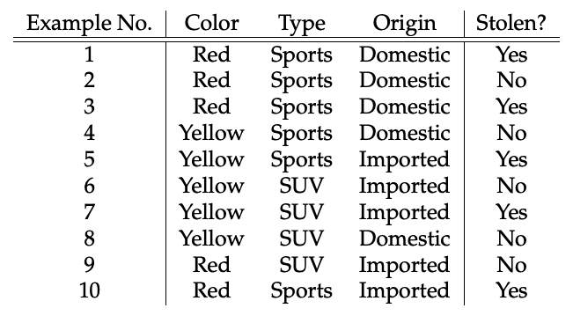
Dependent Variable - Stolen (Yes/No)
Independent Variables - Color, Type & Origin |  |  |  |  | Yes | No | Total
 |  |  |  |  | 5 | 5 | 10
Probability of Car Stolen if
Color | Type | Origin | Stolen |  |  | Yes | No
Yellow | SUV | Domestic | No |  | Red | 3 | 2
 |  |  |  |  | Yellow | 2 | 3
p(Stolen=No|Yellow,SUV,Domestic) |  |  |  | 0.108 | Column Total | 5 | 5
p(Stolen=Yes|Yellow,SUV,Domestic) |  |  |  | 0.016
 |  |  |  |  |  | Yes | No
p(Stolen=No|Yellow,SUV,Domestic) |  |  |  |  | Sports | 4 | 2
p(Yellow|No) |  |  |  | 0.6 | SUV | 1 | 3
p(SUV|No) |  |  |  | 0.6 | Column Total | 5 | 5
p(Domestic|No) |  |  |  | 0.6
p(likelihood of Evidence) multiply above 3 |  |  |  | 0.216 |  | Yes | No
prior p(No) |  |  |  | 0.5 | Domestic | 2 | 3
p(Stolen=No|Yellow,SUV,Domestic)= p(likelihood of Evidence)*prior p(No) |  |  |  | 0.108 | Imported | 3 | 2
 |  |  |  |  | Column Total | 5 | 5

p(Stolen=Yes|Yellow,SUV,Domestic)
p(Yellow|Yes) |  |  |  | 0.4
p(SUV|Yes) |  |  |  | 0.2
p(Domestic|Yes) |  |  |  | 0.4
p(likelihood of Evidence) multiply above 3 |  |  |  | 0.032
prior p(Yes) |  |  |  | 0.5
p(Stolen=Yes|Yellow,SUV,Domestic)= p(likelihood of Evidence)*prior p(Yes) |  |  |  | 0.016

